grain size analysis
* grain-size distribution of bed material (2013) _ grid sampling(Hack_1947)

* particle size distribution of suspended sediment (2013)_Laser Diffraction |  |  |  |  |  |  |  |  | * grain-size distribution of bed material (2013)_Sieve

No | particle size distribution of suspended sediment (%) |  |  |  |  |  |  |  | particle size time | D10 | D30 | D35 | D60 | D65 | 균등계수 Coefficient of uniformity (Cu) | 곡률계수 Coefficient of curvature (Cg)
 | range (mm) |  |  |  |  |  |  |  | 홍수전 (before the flood) | 0.29 | 0.70 | 0.80 | 2.51 | 3.09 | 8.76 | 0.68
 | 0.0020~ | 0.063~ | 0.126~ | 0.26~ | 0.51~ | 1.1~ | 2.1~ | 4.1~ | 홍수후(after the flood ) | 0.40 | 0.76 | 0.85 | 2.95 | 3.78 | 7.28 | 0.49
 | 0.062 | 0.125 | 0.25 | 0.5 | 1 | 2 | 4 | 8 | 평균 (mean) | 0.35 | 0.73 | 0.82 | 2.73 | 3.44 | 8.02 | 0.59
1 | 86.39 | 5.33 | 2.19 | 1.31 | 0.65 | 0.04 | 0 | 0 | particle size time | D5 | D10 | D15 | D20 | D25 | D30 | D35 | D40 | D45 | D50 | D55 | D60 | D65 | D70 | D75 | D80 | D85 | D90 | D95 | D100
2 | 87.85 | 5.95 | 1.36 | 0.12 | 0 | 0 | 0 | 0 | 홍수전 (before the flood) | 0.16 | 0.29 | 0.40 | 0.52 | 0.60 | 0.70 | 0.80 | 0.89 | 1.00 | 1.44 | 1.95 | 2.51 | 3.09 | 3.71 | 4.95 | 6.76 | 8.87 | 11.20 | 13.53 | 16.00
3 | 89.3 | 3.67 | 0.79 | 0.27 | 0.02 | 0 | 0 | 0 | 홍수후 (after the flood ) | 0.25 | 0.40 | 0.53 | 0.61 | 0.69 | 0.76 | 0.85 | 0.92 | 1.04 | 1.55 | 2.15 | 2.95 | 3.78 | 5.45 | 6.62 | 9.31 | 10.91 | 12.51 | 14.11 | 16.00
4 | 87.07 | 6.09 | 1.5 | 0.26 | 0.03 | 0.13 | 0.09 | 0 | 평균 (mean) | 0.21 | 0.35 | 0.46 | 0.56 | 0.65 | 0.73 | 0.82 | 0.90 | 1.02 | 1.49 | 2.05 | 2.73 | 3.44 | 4.58 | 5.78 | 8.04 | 9.89 | 11.85 | 13.82 | 16.00
5 | 86.54 | 7.3 | 1.9 | 0.27 | 0.1 | 0 | 0 | 0
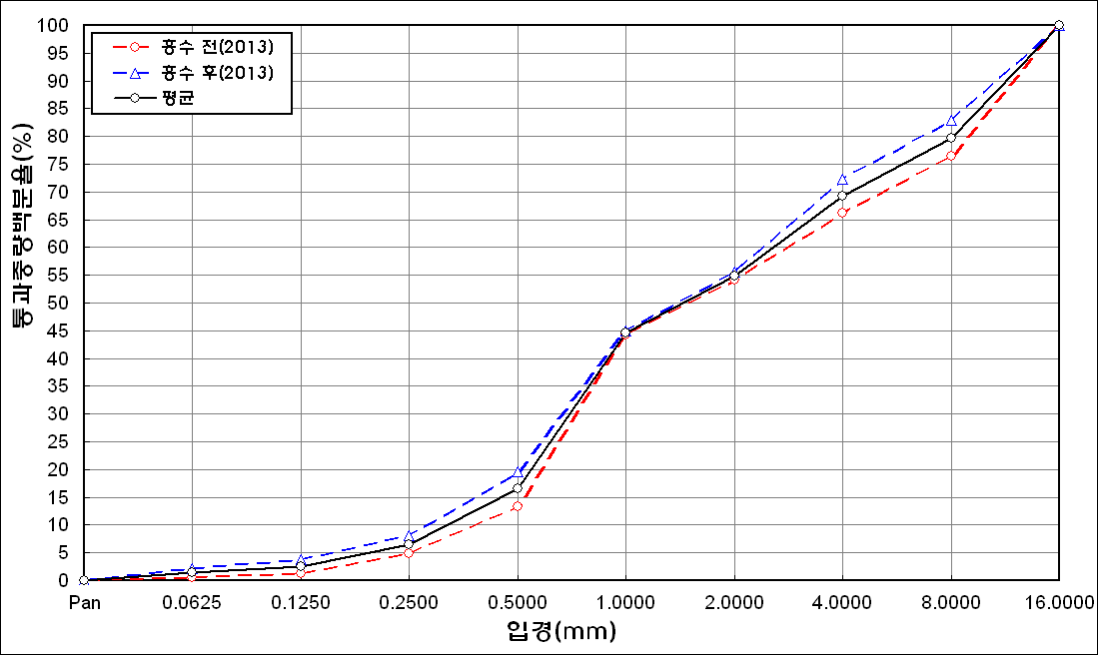
before the flood (2013)
after the flood (2013)
mean
percent passing(%)
particle size (mm)
6 | 84.47 | 8.79 | 2.52 | 0.4 | 0.1 | 0 | 0 | 0
7 | 85.61 | 6.54 | 2.02 | 0.17 | 0 | 0 | 0 | 0
8 | 85.96 | 5.54 | 1.54 | 0.18 | 0.01 | 0 | 0 | 0
9 | 85.86 | 5.08 | 1.08 | 0.45 | 0.58 | 0.15 | 0.08 | 0
10 | 87.45 | 4.61 | 0.81 | 0.12 | 0.01 | 0 | 0 | 0
11 | 87.3 | 4.85 | 0.72 | 0.08 | 0.02 | 0 | 0 | 0
12 | 88.13 | 3.64 | 0.72 | 0.17 | 0.11 | 0 | 0 | 0
13 | 87.99 | 3.31 | 0.75 | 0.02 | 0 | 0 | 0 | 0
14 | 88.14 | 3.92 | 0.82 | 0.13 | 0.05 | 0.06 | 0.03 | 0
15 | 87.21 | 6.64 | 1.77 | 0.34 | 0.05 | 0 | 0 | 0
16 | 86.84 | 6.4 | 2.05 | 0.68 | 0.07 | 0 | 0 | 0
17 | 85.24 | 7.2 | 2.78 | 0.91 | 0.14 | 0 | 0 | 0
18 | 86.03 | 7.74 | 2.16 | 0.51 | 0.2 | 0.02 | 0 | 0
19 | 87 | 7.62 | 1.11 | 0.11 | 0 | 0 | 0 | 0
20 | 89.61 | 5.25 | 0.37 | 0 | 0 | 0 | 0 | 0
21 | 89.47 | 5.74 | 0.43 | 0.01 | 0 | 0 | 0 | 0
22 | 89.52 | 6.11 | 0.4 | 0 | 0 | 0 | 0 | 0
23 | 91.72 | 3.82 | 0.27 | 0 | 0 | 0 | 0 | 0
24 | 89.36 | 6.24 | 0.63 | 0.03 | 0 | 0 | 0 | 0
25 | 88.18 | 4.2 | 1.31 | 0.18 | 0.13 | 0.92 | 0.42 | 0
mean | 87.53 | 5.66 | 1.28 | 0.27 | 0.09 | 0.05 | 0.02 | 0

* grain-size distribution of bed material (2014) _ grid sampling(Hack_1947)

* particle size distribution of suspended sediment (2014)_Laser Diffraction
 |  |  |  |  |  |  |  |  | * grain-size distribution of bed material (2014)_Sieve
No | particle size distribution of suspended sediment (%)
 | range (mm) |  |  |  |  |  |  |  | particle size time | D10 | D30 | D35 | D60 | D65 | 균등계수 Coefficient of uniformity (Cu) | 곡률계수 Coefficient of curvature (Cg)
 | 0.0020~ | 0.063~ | 0.126~ | 0.26~ | 0.51~ | 1.1~ | 2.1~ | 4.1~ | 홍수전 (before the flood) | - | - | - | - | - | - | -
 | 0.062 | 0.125 | 0.25 | 0.5 | 1 | 2 | 4 | 8 | 홍수후(after the flood ) | 0.71 | 3.49 | 6.37 | 14.08 | 15.65 | 19.83 | 1.22
1 | 80.79 | 11.78 | 5.57 | 0.82 | 0.02 | 0 | 0 | 0 | 평균 (mean) | - | - | - | - | - | - | -
2 | 75.58 | 14.73 | 6.66 | 1.46 | 1.46 | 0.27 | 0 | 0 | particle size time | D5 | D10 | D15 | D20 | D25 | D30 | D35 | D40 | D45 | D50 | D55 | D60 | D65 | D70 | D75 | D80 | D85 | D90 | D95 | D100
3 | 74.39 | 16.53 | 5.96 | 1.6 | 0.34 | 0 | 0 | 0 | 홍수전 (before the flood) | - | - | - | - | - | - | - | - | - | - | - | - | - | - | - | - | - | - | - | -
4 | 81.62 | 11.43 | 4.63 | 0.56 | 0 | 0 | 0 | 0 | 홍수후 (after the flood ) | 0.43 | 0.71 | 1.02 | 1.48 | 2.32 | 3.49 | 6.37 | 10.50 | 9.13 | 10.60 | 12.43 | 14.08 | 15.65 | 19.00 | 22.50 | 25.84 | 29.38 | 34.72 | 42.94 | 63.00
5 | 80.95 | 11.82 | 5.07 | 0.38 | 0.02 | 0 | 0 | 0 | 평균 (mean) | - | - | - | - | - | - | - | - | - | - | - | - | - | - | - | - | - | - | - | -
6 | 79.5 | 14.76 | 4.1 | 0.38 | 0.05 | 0 | 0 | 0
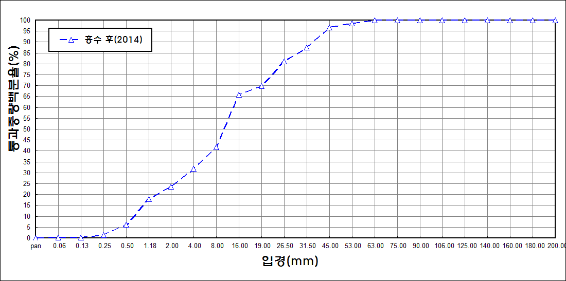
after the flood (2014)
percent passing(%)
particle size (mm)
7 | 87.91 | 5.47 | 1.96 | 0.66 | 0.24 | 0.05 | 0.01 | 0
8 | 82.26 | 8.88 | 3.98 | 2.01 | 0.52 | 0 | 0 | 0
9 | 89.13 | 5.54 | 1.77 | 0.21 | 0 | 0 | 0 | 0
10 | 89.14 | 5.82 | 1.38 | 0.24 | 0.03 | 0 | 0 | 0
11 | 89.45 | 4.75 | 1.13 | 0.15 | 0 | 0 | 0 | 0
12 | 90.07 | 4.58 | 1.21 | 0.07 | 0 | 0 | 0 | 0
13 | 87.02 | 8.11 | 2.63 | 0.41 | 0.04 | 0 | 0 | 0
14 | 89.11 | 6.91 | 1.48 | 0.25 | 0.05 | 0 | 0 | 0
15 | 88.7 | 7.05 | 1.42 | 0.29 | 0.15 | 0.2 | 0.06 | 0
mean | 84.37 | 9.21 | 3.26 | 0.63 | 0.19 | 0.03 | 0 | 0

